Bug report
Bug ID | Bug Name | Description | Steps to reproduce | Test data | Expected result | Actual result | Repro rate | Attachments | Priority | Severity

B-001 | "Type single color name" reproduction is not possible | In auto complete page, "Type single color name" field can not be cleared after adding a color and that makes it impossible to reproduce, unless user reload the page | 1. Open "Auto Complete" field in Widgets card 2. Add color in empty field "Type single color name" 3. Delete added color from field "Type single color name" | 1. https://demoqa.com/auto-complete 2. Red | 3. Text is deleted, field is empty so user can add again single color again | 3. Deleting of added text is not possible unless user reload page and add single color again | 100% | 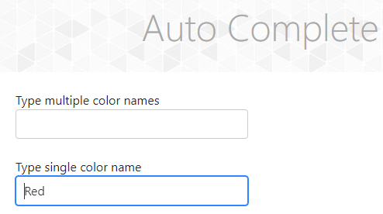 | Medium | Medium

B-002 | No continuous presence of submit button in student registration form on "Practice Form" page | "Submit" button is not present on "Practice Form" page as long as user starts choosing the State from drop down list in "Select State" field or choosing city in "Select City" field. The "Submit" button is not catchable. | 1. Click on down arrow in "Select State" field 2. Click on "NCR" in drop down list 3. Click on down arrow in "Select City" field 4. Click "Submit" button | / | 4. After clicking on "Submit" button, Select City field gets red edges and notification "Required data" | 4. "Submit" button disappear after clicking on it, which makes submiting the Student registration form impossible | 100% |  | High | High

B-003 | After reproduction of TC-13 test faild | After trying to reproduce TC-13 a bug was noticed on the last step. The notification message appears, as well as the username field with the user's data | 1. Open website 2. Click on the "Book Store Application" card 3. Click on the "Login" field located on left side in fields list 4. Enter the username in empty field "UserName" 5. Enter the password in empty field "Password" 6. Click on the "Login" button 7.Reopen Login page | 1. https://demoqa.com 4. Sussy 5. Susan*1994 7. https://demoqa.com/login | 7. After the Login page reloads, message "You are already logged in" is expected | Message that the user is already logged in is displayed. Above the "Log out" button is a field with the user's name and data | 100% | 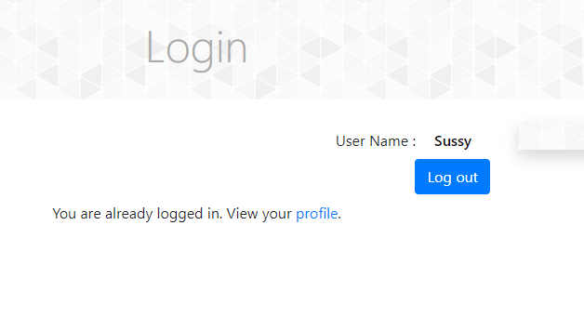 | High | High

